Bug Report
Category | Label | Value
Bug ID | ID number | 1
 | Name | Missing security header
 | Reporter | Group H
 | Submit Date | 2024-02-07
Bug overview | Summary
 | URL | https://admin.uat.bisteccare.com/
 | Screenshot | 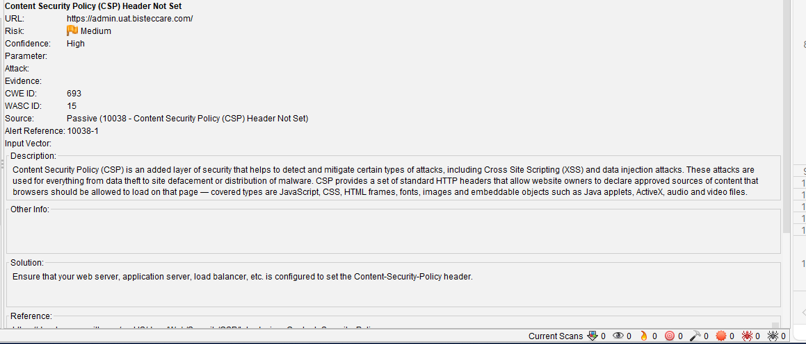
Environment | Platform | Windows 11
 | Operating System | OS Windows 11
 | Browser | Chrome Version 121.0.6167.140 (Official Build) (32-bit)
Bug details | Steps to reproduce
 | Expected result | Ensure that your web server, application server, load balancer, etc. is configured to set the Content-Security-Policy header
 | Actual result
 | Description | Content Security Policy (CSP) is an added layer of security that helps to detect and mitigate certain types of attacks, including Cross Site Scripting (XSS) and data injection attacks. These attacks are used for everything from data theft to site defacement or distribution of malware. CSP provides a set of standard HTTP headers that allow website owners to declare approved sources of content that browsers should be allowed to load on that page — covered types are JavaScript, CSS, HTML frames, fonts, images and embeddable objects such as Java applets, ActiveX, audio and video files.
Bug tracking | Severity | High
 | Assigned to | /
 | Priority | High

Bug ID | ID number | 2
 | Name | Missing security header - X Frame options
 | Reporter | Group H
 | Submit Date | 2024-02-07
Bug overview | Summary | Missing security header - X Frame options
 | URL | https://admin.uat.bisteccare.com/
 | Screenshot | 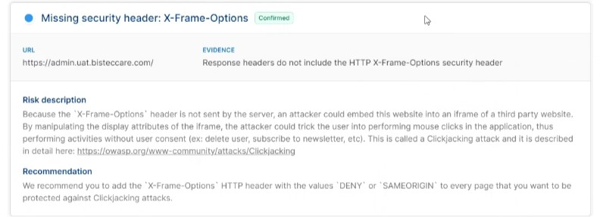
Environment | Platform | Windows 11
 | Operating System | OS Windows 11
 | Browser | Chrome Version 121.0.6167.140 (Official Build) (32-bit)
Bug details | Steps to reproduce
 | Expected result
 | Actual result
 | Description | /
Bug tracking | Severity | High
 | Assigned to | /
 | Priority | High

Bug ID | ID number | 3
 | Name | Missing Anti-clickjacking Header
 | Reporter | Group H
 | Submit Date | 2024-02-07
Bug overview | Summary
 | URL | https://admin.uat.bisteccare.com/
 | Screenshot | 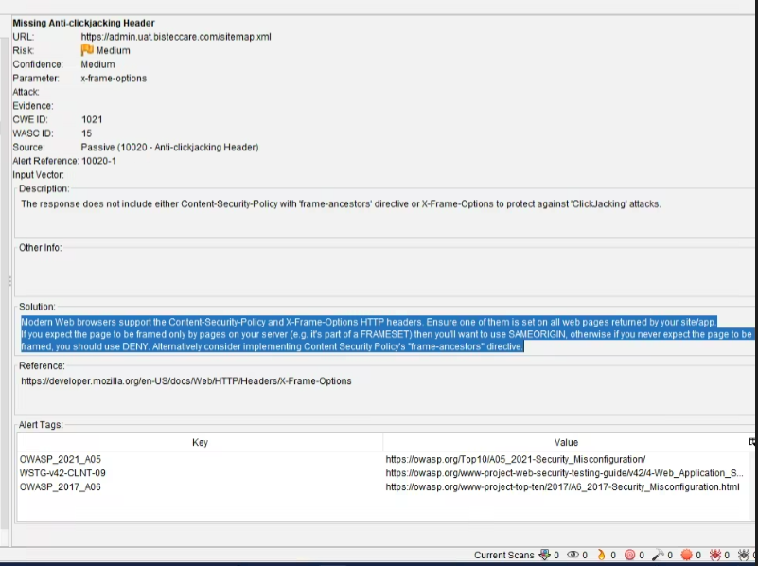
Environment | Platform | Windows 11
 | Operating System | OS Windows 11
 | Browser | Chrome Version 121.0.6167.140 (Official Build) (32-bit)
Bug details | Steps to reproduce
 | Expected result | Modern Web browsers support the Content-Security-Policy and X-Frame-Options HTTP headers. Ensure one of them is set on all web pages returned by your site/app. If you expect the page to be framed only by pages on your server (e.g. it's part of a FRAMESET) then you'll want to use SAMEORIGIN, otherwise if you never expect the page to be framed, you should use DENY. Alternatively consider implementing Content Security Policy's "frame-ancestors" directive.
 | Actual result
 | Description | The response does not include either Content-Security-Policy with 'frame-ancestors' directive or X-Frame-Options to protect against 'ClickJacking' attacks.
Bug tracking | Severity | High
 | Assigned to | /
 | Priority | High

Bug ID | ID number | 4
 | Name | Vulnerable JS Library
 | Reporter | Group H
 | Submit Date | 2024-02-07
Bug overview | Summary | Missing security header - X Frame options
 | URL | https://admin.uat.bisteccare.com/
 | Screenshot | 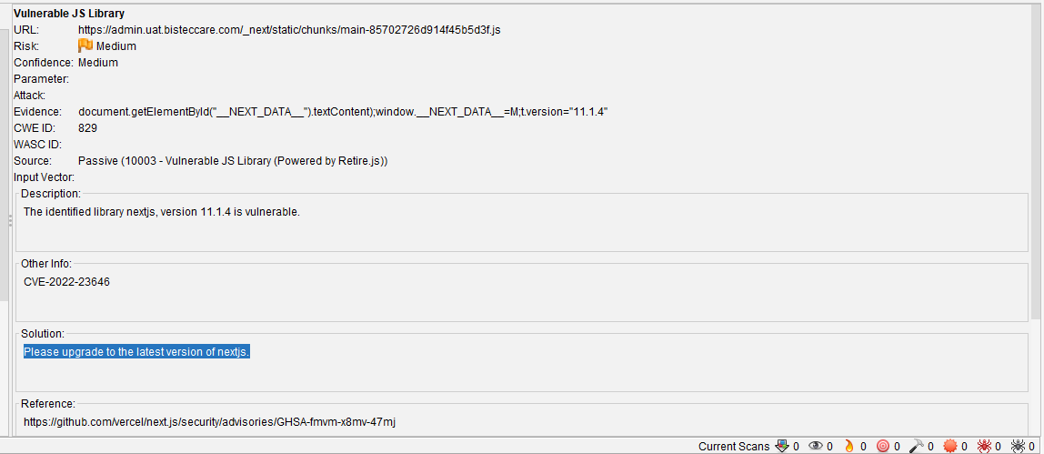
Environment | Platform | Windows 11
 | Operating System | OS Windows 11
 | Browser | Chrome Version 121.0.6167.140 (Official Build) (32-bit)
Bug details | Steps to reproduce
 | Expected result | Please upgrade to the latest version of nextjs.
 | Actual result
 | Description | The identified library nextjs, version 11.1.4 is vulnerable.
Bug tracking | Severity | High
 | Assigned to | /
 | Priority | low

Bug ID | ID number | 5
 | Name | Timestamp Disclosure - Unix
 | Reporter | Group H
 | Submit Date | 2024-02-07
Bug overview | Summary | A timestamp was disclosed by the application/web server - Unix
 | URL | https://admin.uat.bisteccare.com/
 | Screenshot | 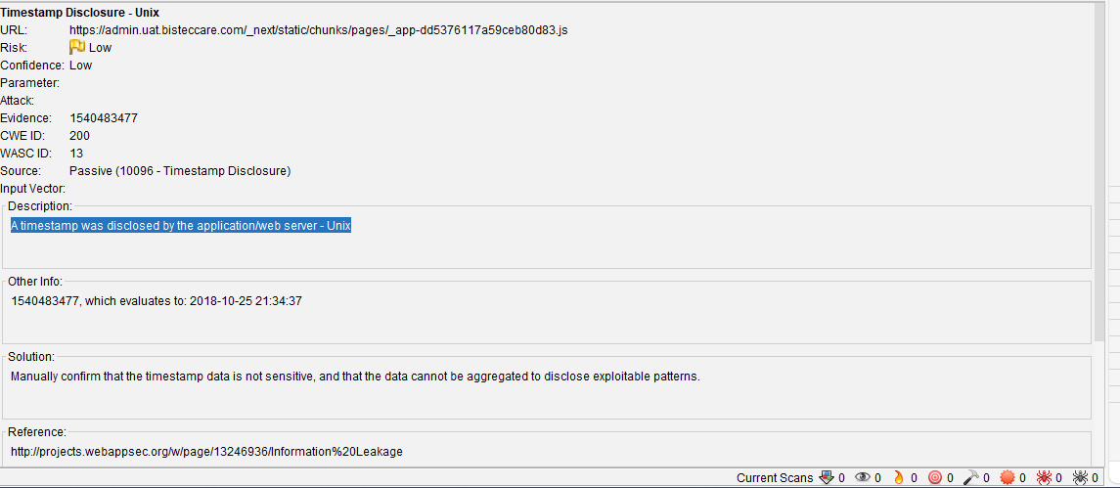
Environment | Platform | Windows 11
 | Operating System | OS Windows 11
 | Browser | Chrome Version 121.0.6167.140 (Official Build) (32-bit)
Bug details | Steps to reproduce
 | Expected result | Please upgrade to the latest version of nextjs.
 | Actual result | Manually confirm that the timestamp data is not sensitive, and that the data cannot be aggregated to disclose exploitable patterns.
 | Description | The identified library nextjs, version 11.1.4 is vulnerable.
Bug tracking | Severity | low
 | Assigned to | /

Bug ID | ID number | 6
 | Name | Re-examine Cache-control Directives
 | Reporter | Group H
 | Submit Date | 2024-02-07
Bug overview | Summary | The cache-control header has not been set properly or is missing, allowing the browser and proxies to cache content. For static assets like css, js, or image files this might be intended, however, the resources should be reviewed to ensure that no sensitive content will be cached.
 | URL | https://admin.uat.bisteccare.com/
 | Screenshot | 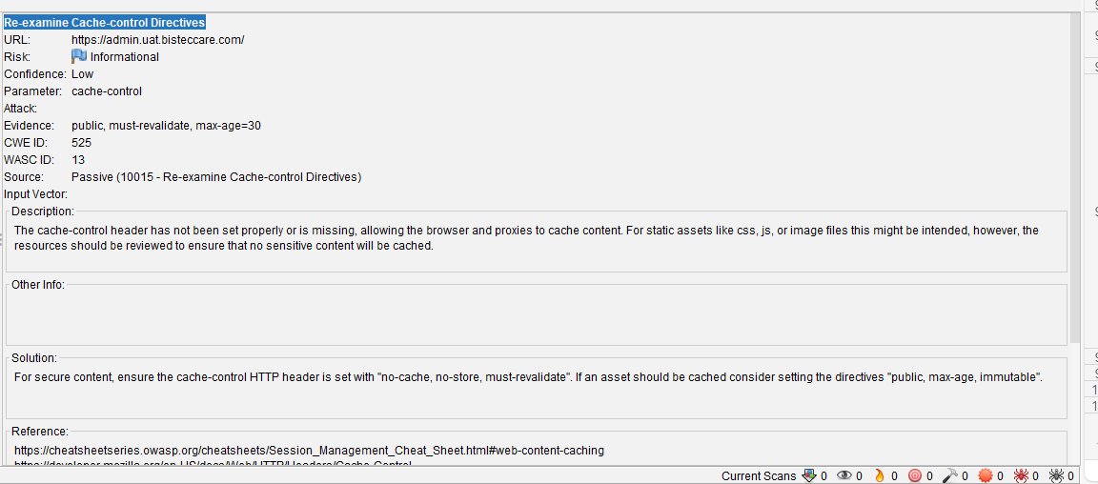
Environment | Platform | Windows 11
 | Operating System | OS Windows 11
 | Browser | Chrome Version 121.0.6167.140 (Official Build) (32-bit)
Bug details | Steps to reproduce
 | Expected result | For secure content, ensure the cache-control HTTP header is set with "no-cache, no-store, must-revalidate". If an asset should be cached consider setting the directives "public, max-age, immutable".
 | Actual result | Manually confirm that the timestamp data is not sensitive, and that the data cannot be aggregated to disclose exploitable patterns.
 | Description | The cache-control header has not been set properly or is missing, allowing the browser and proxies to cache content. For static assets like css, js, or image files this might be intended, however, the resources should be reviewed to ensure that no sensitive content will be cached.
Bug tracking | Severity | low
 | Assigned to | /

Bug ID | ID number | 7
 | Name | Information Disclosure - Suspicious Comments
 | Reporter | Group H
 | Submit Date | 2024-02-07
Bug overview | Summary | The response appears to contain suspicious comments which may help an attacker. Note: Matches made within script blocks or files are against the entire content not only comments.
 | URL | https://admin.uat.bisteccare.com/
 | Screenshot | 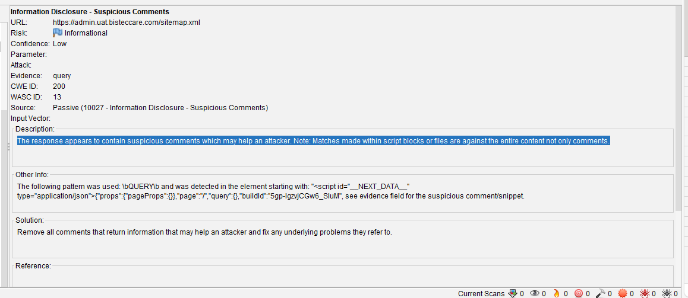
Environment | Platform | Windows 11
 | Operating System | OS Windows 11
 | Browser | Chrome Version 121.0.6167.140 (Official Build) (32-bit)
Bug details | Steps to reproduce
 | Expected result
 | Actual result | Remove all comments that return information that may help an attacker and fix any underlying problems they refer to.
 | Description | The response appears to contain suspicious comments which may help an attacker. Note: Matches made within script blocks or files are against the entire content not only comments.
Bug tracking | Severity | low
 | Assigned to | /

